MC Simulator
Relocation Cost Monte Carlo Simulator
 | self_Pay histogram
-10000 | 0
-8000 | 0.002
-6000 | 0.008
-4000 | 0.016
-2000 | 0.031
0 | 0.06
2000 | 0.068
4000 | 0.097
6000 | 0.122
8000 | 0.151
10000 | 0.131
12000 | 0.097
14000 | 0.088
16000 | 0.064
18000 | 0.03
20000 | 0.021
22000 | 0.007
24000 | 0.004
26000 | 0.002
28000 | 0
30000 | 0.001
Cumulative Cost vs Probability
 | self_Pay cumulative
-10000 | 0
-8000 | 0.002
-6000 | 0.01
-4000 | 0.026
-2000 | 0.057
0 | 0.117
2000 | 0.185
4000 | 0.282
6000 | 0.404
8000 | 0.555
10000 | 0.686
12000 | 0.783
14000 | 0.871
16000 | 0.935
18000 | 0.965
20000 | 0.986
22000 | 0.993
24000 | 0.997
26000 | 0.999
28000 | 0.999
30000 | 1
Cost Item | Cost | Coverage | Self Pay | Rand
Yearly Rent | 40,930 | 40,000 | 930 | 0.37674033659
Damages | 205 | - | 205 | 0.41913007219
Child 1 School | 14,748 | 15,000 | -252
Child 2 School | 12,418 | 10,000 | 2,418
Utilities | 10,923 | 4,800 | 6,123 | 0.97583873243

 |  |  | 9,424

Statistics | Values
Min | -6,171
Mean | 9,274
Median | 9,202
90% Prob Cost | 16,867
Max | 30,347

Readme
Readme - Notes

Required Add-Ons
 | For the simulation to run, the SIPmath Modeler Tools v 3.1.5.7 or later are required.
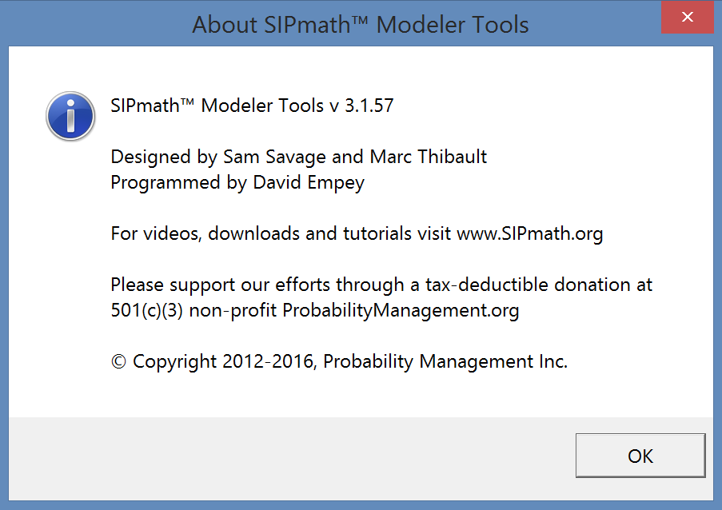

Please read the SIPmath documentation before running the simulation!

Other Notes

Please read the readme file on the Github repository for more details about this simulation.

